Kenya Meat Production
Kenya Meat Products Trend
YEAR | 2016 |  | 2015 2014 |  | 2014 |  | 2013 |  | 2012
 | Quantity | Value(Kshs Million) | Quantity | Value(Kshs Million) | Quantity | Total value (Kshs Million) | Quantity | Total value (Kshs Million) | Quantity | Total value (Kshs Million)
Beef (MT) | 528,990 | 206,671 | 489,065 | 179,663 | 113,450 | 45,380 | 96,765 | 38,706 | 94,824 | 37,929
Chevon (MT) | 50,468 | 20,442 | 35,857 | 15,198 | 68,191 | 27,276 | 45,312 | 18,125 | 20,561 | 8,225
Mutton (MT) | 27,901 | 11,402 | 26,692 | 10,979 | 91,590 | 36,636 | 21,852 | 8,741 | 14,149 | 5,660
Pork (MT) | 10,768 | 3,768 | 9,715 | 3,597 | 42,804 | 17,122 | 8,160 | 3,264 | 17,591 | 7,036
Rabbit (MT) | 941 | 380 | 1,060 | 403 | 348 | 139 | 322 | 129 | 234 | 93
Poultry (MT) | 64,309 | 28,767 | 45,938 | 20,200 | 81,043 | 32,417 | 28,693 | 11,477 | 48,393 | 19,357
Camel (MT) | 18,715 | 7,450 | 18,361 | 6,998 | 11,221 | 3,366 | 8,856 | 2,657 | 9,086 | 2,726
Total (MT) | 702,091 | 278,879 | 626,688 | 237,038 | 408,647 | 162,337 | 209,958 | 83,098 | 204,837 | 81,026

 | Beef | Poultry | Chevon | Mutton | Pork | Camel Meat | Rabbit
2012 | 94,824 | 48,393 | 20,561 | 14,149 | 17,591 | 9,086 | 234
2013 | 96,765 | 28,693 | 45,312 | 21,852 | 8,160 | 8,856 | 322
2014 | 113,450 | 81,043 | 68,191 | 91,590 | 42,804 | 11,221 | 348
2015 | 489,065 | 45,938 | 35,857 | 26,692 | 9,715 | 18,361 | 1,060
2016 | 528,990 | 64,309 | 50,468 | 27,901 | 10,768 | 18,715 | 941

 | Beef |  | Chevon |  | Mutton |  | Pork |  | Rabbit |  | Poultry |  | Camel Meat
2012 | 94,824 | 2012 | 20,561 | 2012 | 14,149 | 2012 | 17,591 | 2012 | 234 | 2012 | 48,393 | 2012 | 9,086
2013 | 96,765 | 2013 | 45,312 | 2013 | 21,852 | 2013 | 8,160 | 2013 | 322 | 2013 | 28,693 | 2013 | 8,856
2014 | 113,450 | 2014 | 68,191 | 2014 | 91,590 | 2014 | 42,804 | 2014 | 348 | 2014 | 81,043 | 2014 | 11,221
2015 | 489,065 | 2015 | 35,857 | 2015 | 26,692 | 2015 | 9,715 | 2015 | 1,060 | 2015 | 45,938 | 2015 | 18,361
2016 | 528,990 | 2016 | 50,468 | 2016 | 27,901 | 2016 | 10,768 | 2016 | 941 | 2016 | 64,309 | 2016 | 18,715

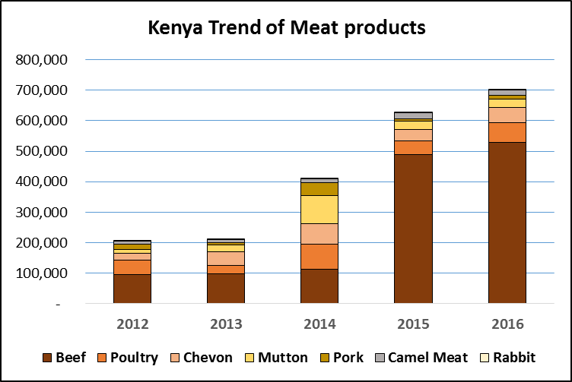

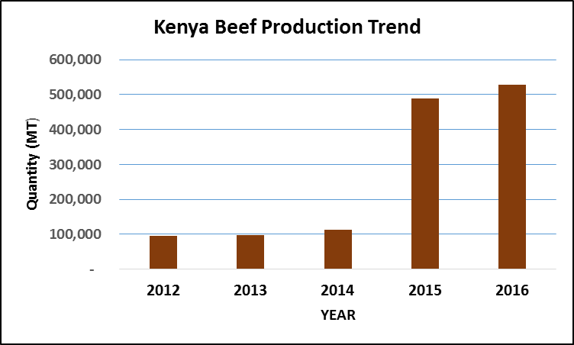

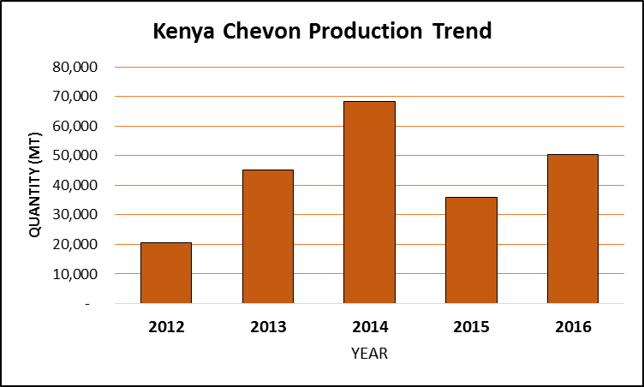

Kenya Mutton Production Trend

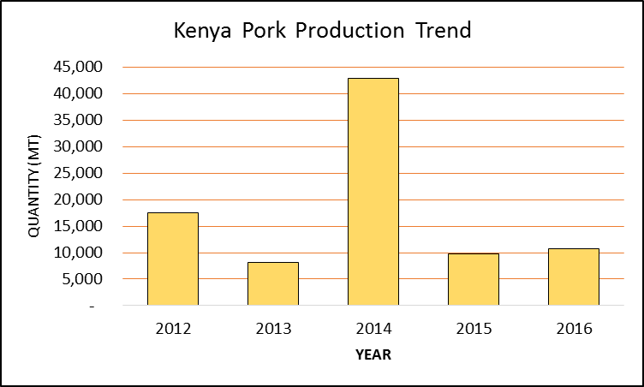

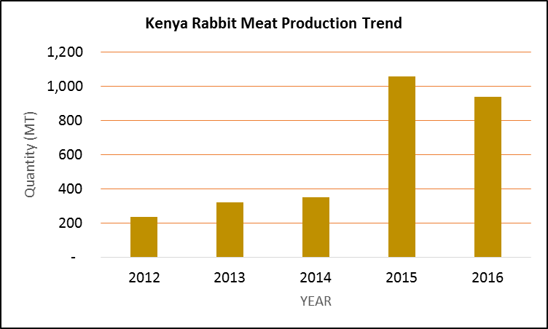

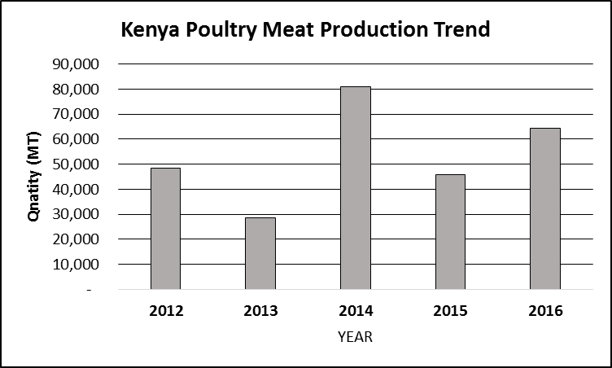

Kenya Camel Meat Production Trend

