Sheet1
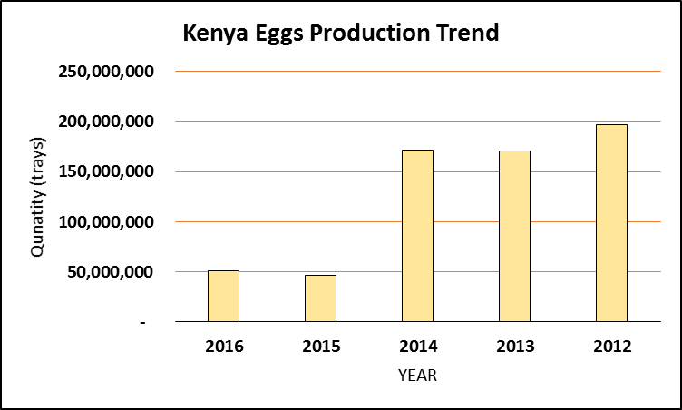
KENYA EGGS PRODUCTION
Products | 2016 |  | 2015 |  | 2014 |  | 2013 |  | 2012
 | Quantity | Total value (Kshs) | Quantity | Total value (Kshs) | Quantity | Total value (Kshs) | Quantity | Total value (Kshs) | Quantity | Total value (Kshs)
Eggs (No. of trays) | 50,989,335 | 17,129,847,558 | 46,912,836 | 15,444,039,488 | 171,183,941 | 51,355,182,240 | 170,213,441 | 51,064,032,250 | 197,062,582 | 59,118,774,730

Kenya Eggs Production Trends
 | Eggs (Trays) | Value (Ksh)
2016 | 50,989,335 | 17,129,847,558
2015 | 46,912,836 | 15,444,039,488
2014 | 171,183,941 | 51,355,182,240
2013 | 170,213,441 | 51,064,032,250
2012 | 197,062,582 | 59,118,774,730

